COV
week | GROWTH | VALUE | DEV GROWTH | DEV VALUE | PRODUCT |  | GROWTH | VALUE
1 | -4.97% | -0.17% | -0.0533 | 0.0073 | -0.0004
2 | 1.03% | -10.07% | 0.0066 | -0.0917 | -0.0006 | COV | 0.0009
3. | -2.34% | -4.08% | -0.0270 | -0.0318 | 0.0009 | CORRELATION | 0.36353
4. | 4.17% | -0.45% | 0.0381 | 0.0045 | 0.0002
5 | 3.86% | 1.82% | 0.0349 | 0.0272 | 0.0010 | MANUAL
6 | 3.78% | -0.42% | 0.0342 | 0.0048 | 0.0002
7 | -12.98% | -1.43% | -0.1335 | -0.0053 | 0.0007 | STDEV | 0.05531407513 | 0.04622486858
8 | 3.10% | 1.95% | 0.0274 | 0.0285 | 0.0008
VALUE vs GROWTH
9 | 1.90% | 2.43% | 0.0154 | 0.0333 | 0.0005
10 | 2.92% | 5.80% | 0.0255 | 0.0670 | 0.0017
11 | -2.13% | -6.22% | -0.0250 | -0.0532 | 0.0013
12 | 5.04% | 1.44% | 0.0468 | 0.0234 | 0.0011
13 | -5.42% | -2.72% | -0.0579 | -0.0182 | 0.0011
14 | -6.54% | -12.59% | -0.0690 | -0.1169 | 0.0081
15 | 2.58% | -2.09% | 0.0222 | -0.0119 | -0.0003
16 | 3.29% | 2.08% | 0.0292 | 0.0298 | 0.0009
17 | -9.32% | -0.05% | -0.0968 | 0.0085 | -0.0008
18 | 3.78% | 4.05% | 0.0341 | 0.0495 | 0.0017
19 | -2.23% | 0.53% | -0.0259 | 0.0143 | -0.0004
20 | -2.89% | 1.33% | -0.0326 | 0.0223 | -0.0007
21 | -0.71% | 0.74% | -0.0108 | 0.0164 | -0.0002
22 | -4.47% | 5.62% | -0.0484 | 0.0652 | -0.0032
23 | -1.29% | -2.97% | -0.0165 | -0.0208 | 0.0003
24 | 1.83% | 3.16% | 0.0146 | 0.0406 | 0.0006
25 | 3.75% | -0.78% | 0.0339 | 0.0012 | 0.0000
26 | -0.57% | 0.15% | -0.0093 | 0.0105 | -0.0001
27 | -2.16% | -15.93% | -0.0253 | -0.1503 | 0.0038
28 | 5.23% | -3.33% | 0.0487 | -0.0243 | -0.0012
29 | -0.22% | -1.15% | -0.0059 | -0.0025 | 0.0000
30 | -4.91% | 1.41% | -0.0528 | 0.0231 | -0.0012
31 | 6.04% | 2.86% | 0.0567 | 0.0376 | 0.0021
32 | 20.49% | 2.15% | 0.2013 | 0.0305 | 0.0061
33 | -1.24% | -2.30% | -0.0160 | -0.0140 | 0.0002
34 | -2.97% | -5.39% | -0.0333 | -0.0449 | 0.0015
35 | 3.65% | -3.69% | 0.0328 | -0.0279 | -0.0009
36 | 0.95% | 2.57% | 0.0059 | 0.0347 | 0.0002
37 | -4.89% | -1.43% | -0.0525 | -0.0053 | 0.0003
38 | 8.24% | 4.83% | 0.0788 | 0.0573 | 0.0045
39 | -0.49% | 1.11% | -0.0085 | 0.0201 | -0.0002
40 | 1.68% | -4.75% | 0.0132 | -0.0385 | -0.0005
41 | 3.32% | 9.24% | 0.0296 | 0.1014 | 0.0030
42 | 2.53% | 1.43% | 0.0216 | 0.0233 | 0.0005
43 | -5.00% | -0.15% | -0.0536 | 0.0075 | -0.0004
44 | -9.54% | -11.60% | -0.0991 | -0.1070 | 0.0106
45 | -6.85% | -0.98% | -0.0721 | -0.0008 | 0.0001
46 | -5.19% | 0.49% | -0.0555 | 0.0139 | -0.0008
47 | -8.36% | -5.67% | -0.0872 | -0.0477 | 0.0042
48 | -1.06% | -3.98% | -0.0142 | -0.0308 | 0.0004
49 | 3.84% | 0.12% | 0.0348 | 0.0102 | 0.0004
50 | 4.74% | -4.99% | 0.0437 | -0.0409 | -0.0018
51 | 6.35% | 2.05% | 0.0598 | 0.0295 | 0.0018
 |  |  |  | 0.0090 | 0.0000

REGRESSION
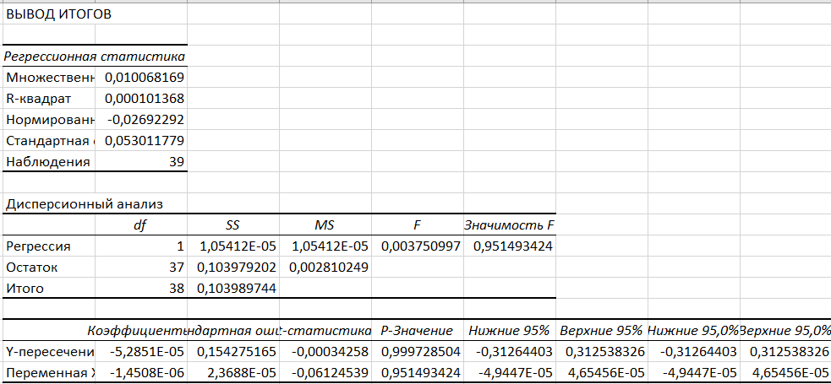
week | GSPS | WEEKLY RETURN FOR ADIDAS | WEEKLY RETURN FOR NIKE | REGRESSION FOR ADIDAS
1 | 6939.03 | -0.1 | 0.00
2 | 6915.61 | -0.04 | -0.10
3 | 6940.01 | 0.02 | -0.04
4 | 6966.28 | -0.01 | 0.00
5 | 6858.47 | 0.02 | 0.02
6 | 6929.94 | 0.02 | 0.00
7 | 6834.5 | 0.06 | -0.01
8 | 6827.41 | -0.06 | 0.02
9 | 6870.4 | 0.01 | 0.02
10 | 6849.09 | -0.03 | 0.06
11 | 6602.99 | -0.13 | -0.06 | REGRESSION FOR NIKE
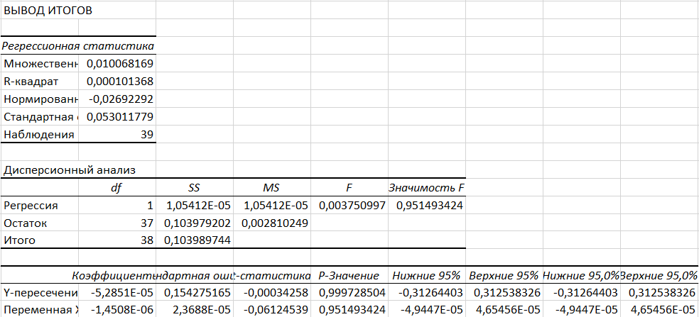
12 | 6734.11 | -0.02 | 0.01
13 | 6728.8 | 0.02 | -0.03
14 | 6840.2 | 0.04 | -0.13
15 | 6791.69 | 0.01 | -0.02
16 | 6664.01 | 0.01 | 0.02
17 | 6552.51 | 0.01 | 0.00
18 | 6715.79 | 0.06 | 0.04
19 | 6643.7 | -0.03 | 0.01
20 | 6664.36 | 0.03 | 0.01
21 | 6584.29 | -0.01 | 0.01
22 | 6481.5 | -0.16 | 0.06
23 | 6460.26 | -0.03 | -0.03
24 | 6466.91 | -0.01 | 0.03
25 | 6449.8 | 0.01 | -0.01
26 | 6389.45 | 0.03 | 0.00
27 | 6238.01 | 0.02 | -0.16
28 | 6388.64 | -0.02 | -0.03
29 | 6296.79 | -0.05 | -0.01
30 | 6259.75 | -0.04 | 0.01
31 | 6279.35 | 0.03 | 0.03
32 | 6173.07 | -0.01 | 0.02
33 | 5967.84 | 0.05 | -0.02
34 | 5976.97 | 0.01 | -0.05
35 | 6000.36 | -0.05 | -0.04
36 | 5911.69 | 0.09 | 0.03
37 | 5802.82 | 0.01 | -0.01
38 | 5958.38 | -0.12 | 0.05
39 | 5659.91 | -0.01 | 0.01
40 |  |  | -0.05
41 |  |  | 0.09
42 |  |  | 0.01
43 |  |  | 0.00
44 |  |  | -0.12
45 |  |  | -0.01
46
47
48
49
50
51

